General Assumption & Dashboards
SOLOSCALE ASSUMPTIONS

Revenue Growth
Variable | Essential (5 Seats) | Plus (10 Seats) | Pro ( 20 Seats) | Description
Starting Website Visitors | 500 | 500 | 500 | Month 1 traffic baseline
Monthly Traffic Growth | 6% | 5% | 4% | Compound month-over-month for years 1-5
Lead Conversion Rate | 30% | 25% | 20% | Visitors → Leads
Trail Activation Rate | 35% | 30% | 25% | Leads → Trial Licence→ One Onth Free (% Users Download App)
Paying Conversion Rate | 25% | 20% | 15% | Active License → Paying License
Quotes Per License/ Month | 50 | 100 | 200 | Typical usage frequency (AI Tokens)
Price/ Month/License | $150.00 | $250.00 | $400.00 | Transactional fee
Monthly Churn Rate | 10% | 5% | 3% | Retention assumption
Avg Customer Lifespan (Months) | 24 | 36 | 60 | Retention assumption
Starting Cash ($) | $1,000,000.00 |  |  | Founder Funded
Expense Growth
 |  |  |  | Total
Year 1 |  |  |  | $483,896.18
Year 2 |  |  |  | $822,920.88
Year 3 |  |  |  | $1,078,713.04
Year 4 |  |  |  | $1,354,209.76
Year 5 |  |  |  | $1,675,411.12
Expense Growth Rate (YoY) | 20% |  |  | YoY Growth Rate
AI Token Cost | $0.00780 |  |  | Per Chat GTP
Price Inflation Index | 5% |  |  | Applied in year 3
Salary Inflation Index | 3% |  |  | Inflation - Salary Raises
Starting Employee Count | 6 |  |  | CTO,CRO, OPS (Founders)
LTV Fourmula | Revenue/Customers/Churn |  |  | See Proforma for calulcation
Break Even | About 350 Customers to break even, Projected to break even on 5/1/2027 |  |  | See Pro-forma Statement

Soloscale Tam
Segment | Est. U.S. Businesses | Source / Basis
HVAC Contractors | 120,000 | U.S. Census + IBISWorld
Plumbing Contractors | 120,000 | IBISWorld
Electrical Contractors | 220,000 | Bureau of Labor Statistics
General Remodeling / Handyman | 500,000 | Houzz + HomeAdvisor
Roofing, Flooring, Landscaping, Painting, etc. | 600,000 | HomeAdvisor + NAHB
Total Potential SMBs | 1,560,000

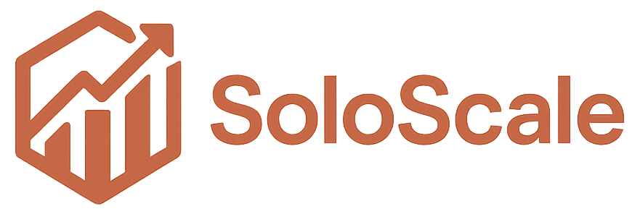
Revenue | Essential | Plus | Pro | Total
Year 1 | $55,449.36 | $52,986.24 | $40,609.22 | $149,044.82
Year 2 | $382,846.21 | $401,458.86 | $312,550.00 | $1,096,855.06
Year 3 | $873,984.62 | $923,481.27 | $703,225.73 | $2,500,691.62
Year 4 | $1,787,894.93 | $1,767,872.79 | $1,266,614.30 | $4,822,382.02
Year 5 | $3,605,861.49 | $3,233,978.82 | $2,125,532.85 | $8,965,373.16

Expenses |  |  |  | Total
Year 1 |  |  |  | $483,896.18
Year 2 |  |  |  | $822,920.88
Year 3 |  |  |  | $1,078,713.04
Year 4 |  |  |  | $1,354,209.76
Year 5 |  |  |  | $1,675,411.12

